Polar Histograms
Polar Histograms in Excel

Based on the post by Oscar Leo
How to Create a Polar Histogram With Python and Matplotlib | by Oscar Leo | TDS Archive | Medium

Python code for the Polar Histogram
It is a direct copy of the origianal post with the exception of the flags which have been ommitted and also the table of data is referenced from the Excel spreadsheet rather than an external csv. Also the original version used a font that is not available in Python for Excel so that is ommitted

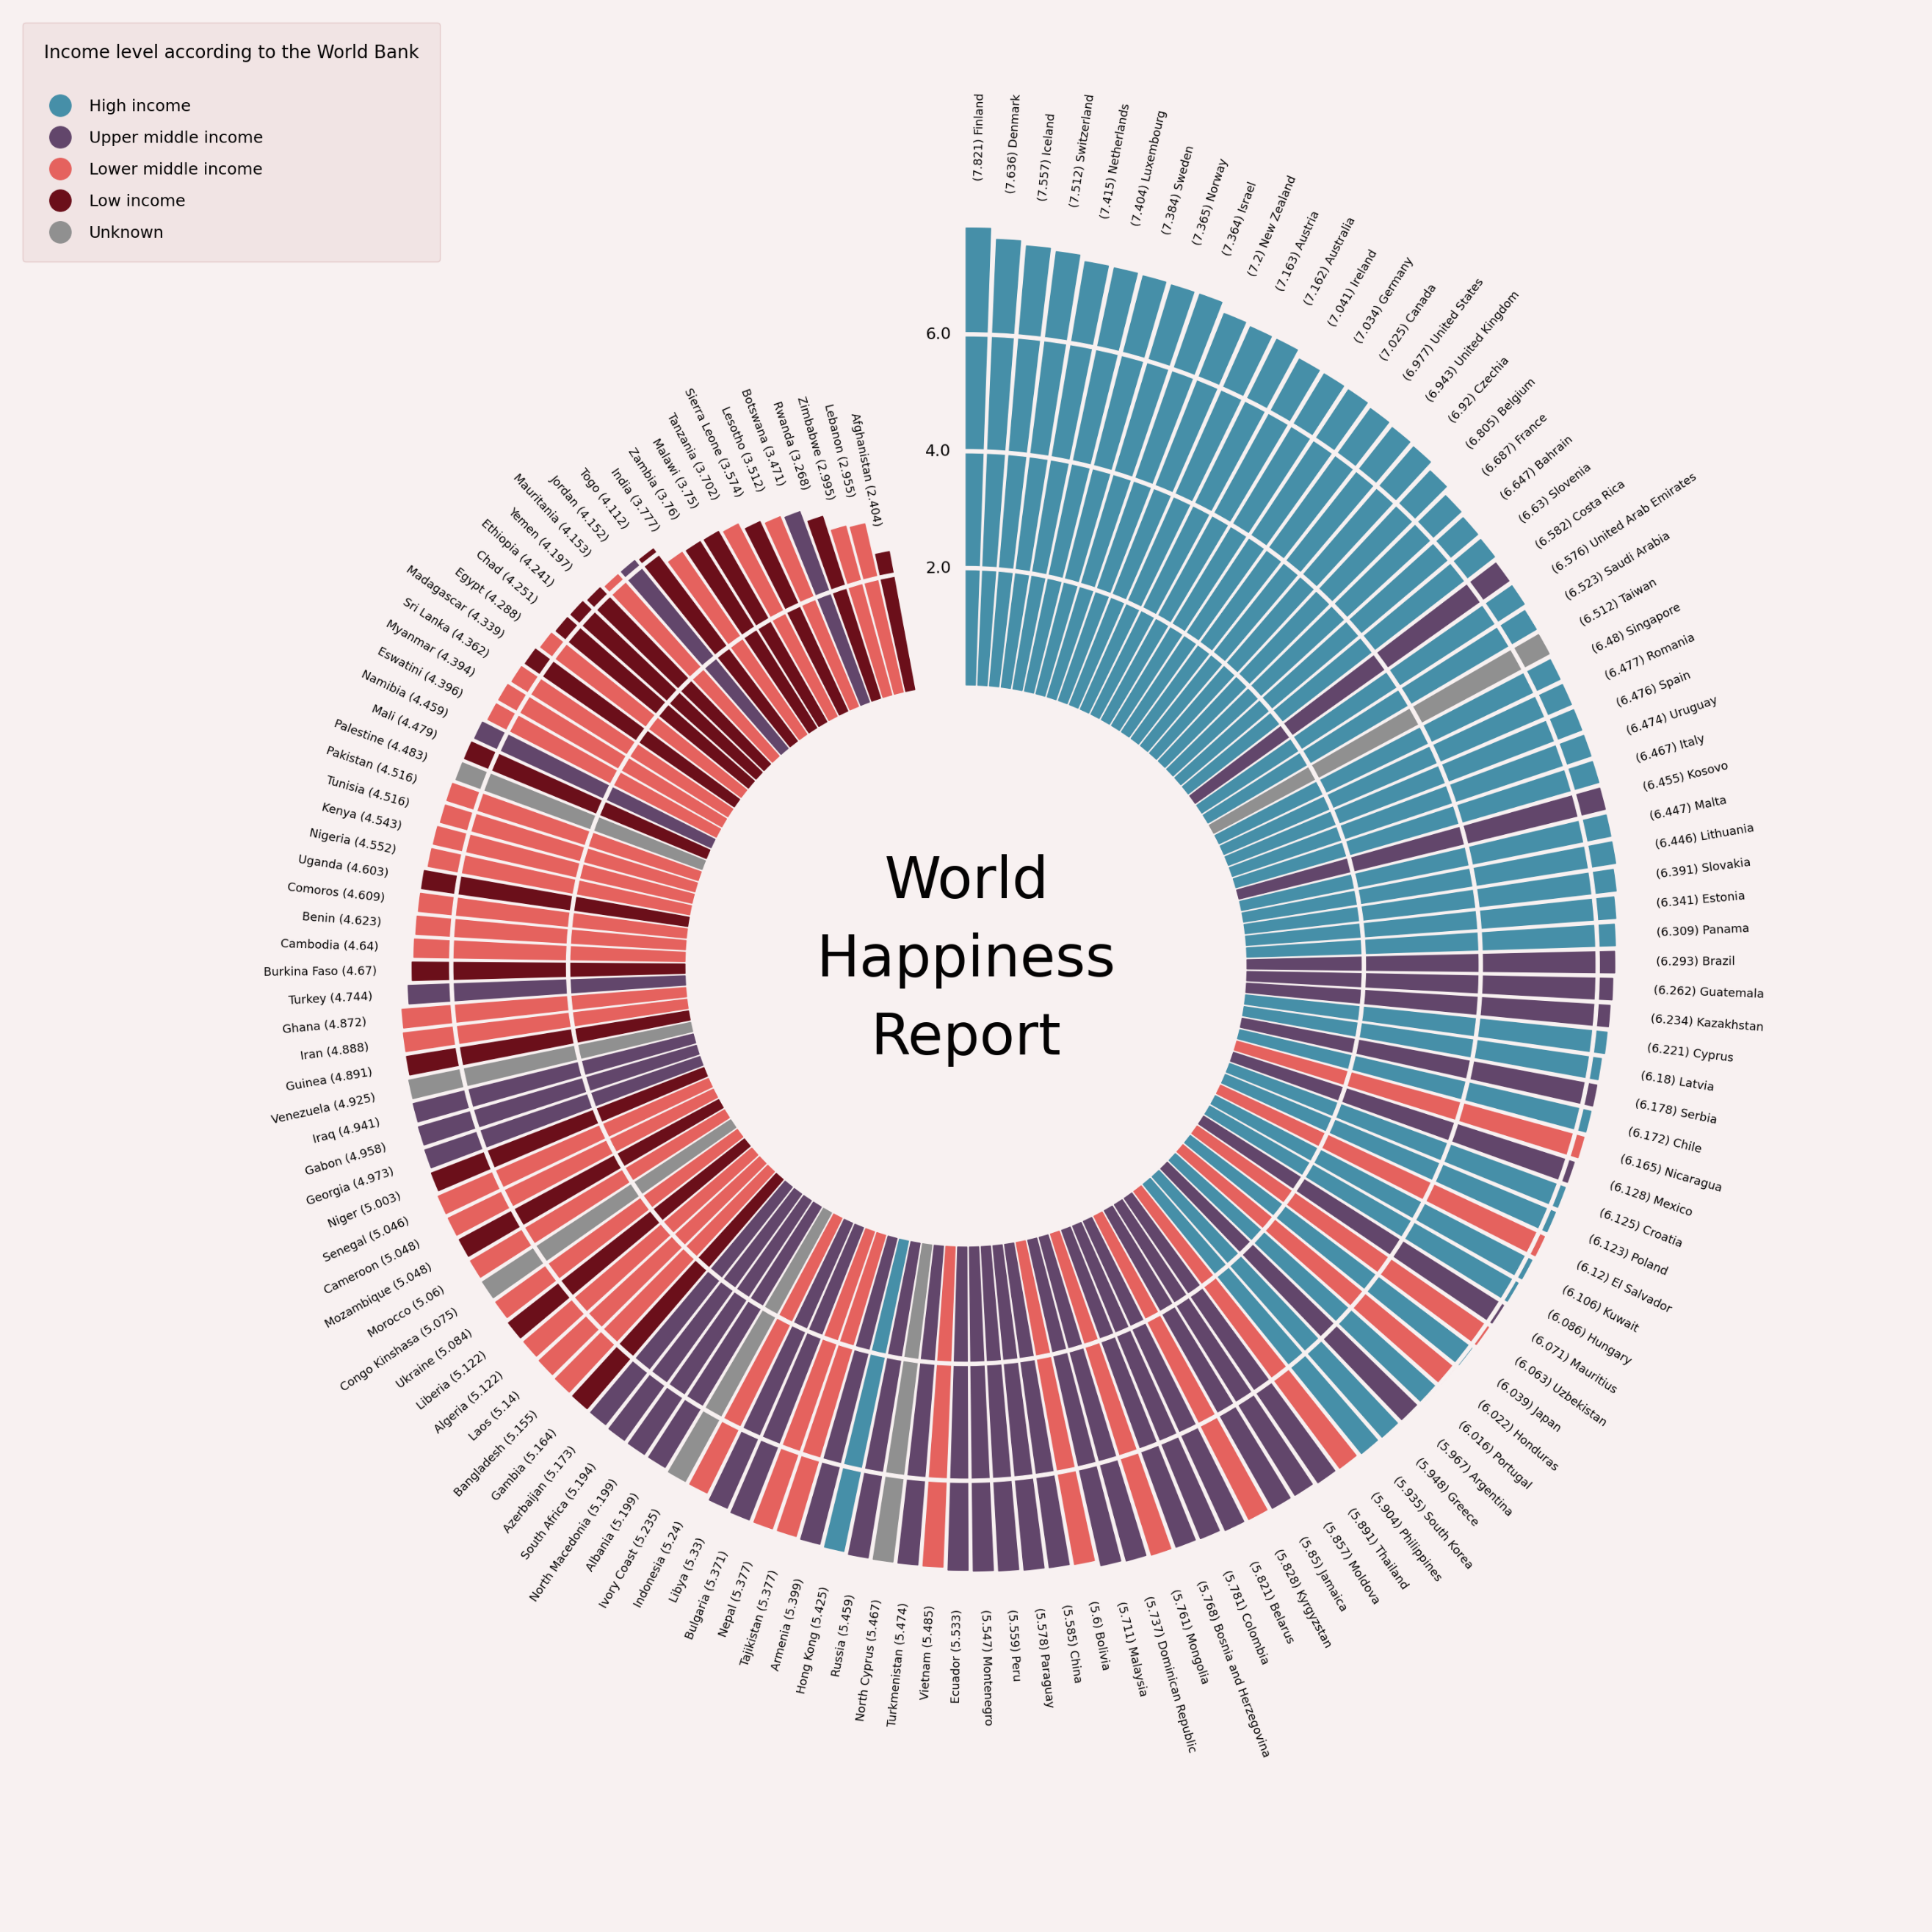
Text of the function | Python functions
import math import numpy as np import pandas as pd import seaborn as sns import matplotlib.pyplot as plt from PIL import Image from matplotlib.lines import Line2D from matplotlib.patches import Wedge from matplotlib.offsetbox import OffsetImage, AnnotationBbox | 0

df = pd.read_csv("./data/hapiness_report_2022.csv", index_col=None) df = df.sort_values("score").reset_index(drop=True)

font_family = "PT Mono" background_color = "#F8F1F1" text_color = "#040303" sns.set_style({ "axes.facecolor": background_color, "figure.facecolor": background_color, "font.family": font_family, "text.color": text_color, }) | 0

START_ANGLE = 100 # At what angle to start drawing the first wedge END_ANGLE = 450 # At what angle to finish drawing the last wedge SIZE = (END_ANGLE - START_ANGLE) / len(df) # The size of each wedge PAD = 0.2 * SIZE # The padding between wedges INNER_PADDING = 2 * df.score.min() # LIMIT = (INNER_PADDING + df.score.max()) * 1.3 # Limit of the axes | 16.4177

def draw_wedge(ax, start, end, length, width, color): ax.add_artist(Wedge((0, 0), length, start, end, color=color, width=width)) | 0

def color(income_group=""): if income_group == "High income": return "#468FA8" elif income_group == "Lower middle income": return "#E5625E" elif income_group == "Upper middle income": return "#62466B" elif income_group == "Low income": return "#6B0F1A" else: return "#909090" # return "#000" | 0

def add_text(ax, x, y, country, score, angle): if angle < 270: text = "{} ({})".format(country, score) ax.text(x, y, text, fontsize=13, rotation=angle-180, ha="right", va="center", rotation_mode="anchor") else: text = "({}) {}".format(score, country) ax.text(x, y, text, fontsize=13, rotation=angle, ha="left", va="center", rotation_mode="anchor") | 0

def add_flag(ax, x, y, name, zoom, rotation): flag = Image.open("../../data/country-flags/png/{}.png".format(name.lower())) flag = flag.rotate(rotation if rotation > 270 else rotation - 180) im = OffsetImage(flag, zoom=zoom, interpolation="lanczos", resample=True, visible=True) ax.add_artist(AnnotationBbox( im, (x, y), frameon=False, xycoords="data", )) | 0

def add_legend(labels, colors, title): lines = [Line2D([], [], marker='o', markersize=24, linewidth=0, color=c) for c in colors] plt.legend( lines, labels, fontsize=18, loc="upper left", alignment="left", borderpad=1.3, edgecolor="#E4C9C9", labelspacing=1, facecolor="#F1E4E4", framealpha=1, borderaxespad=1, title=title, title_fontsize=20, ) | 0

def draw_reference_line(ax, point, size, padding, fontsize=18): draw_wedge(ax, 0, 360, point+padding+size/2, size, background_color) ax.text(-0.7, padding + point, point, va="center", rotation=1, fontsize=fontsize) | 0

def get_xy_with_padding(length, angle, padding): x = math.cos(math.radians(angle)) * (length + padding) y = math.sin(math.radians(angle)) * (length + padding) return x, y | 0

fig, ax = plt.subplots(nrows=1, ncols=1, figsize=(30, 30)) ax.set(xlim=(-LIMIT, LIMIT), ylim=(-LIMIT, LIMIT)) for i, row in df.iterrows(): bar_length = row.score length = bar_length + INNER_PADDING start = START_ANGLE + i*SIZE + PAD end = START_ANGLE + (i+1)*SIZE angle = (end + start) / 2 # Add variables here flag_zoom = 0.004 * length flag_x, flag_y = get_xy_with_padding(length, angle, 8*flag_zoom) text_x, text_y = get_xy_with_padding(length, angle, 16*flag_zoom) # Add functions here draw_wedge(ax, start, end, length, bar_length, color(row.income)) add_flag(ax, flag_x, flag_y, row.country, flag_zoom, angle) add_text(ax, text_x, text_y, row.country, bar_length, angle) ax.text(1-LIMIT, LIMIT-2, "+ main title", fontsize=58) # Add general functions here draw_reference_line(ax, 2.0, 0.06, INNER_PADDING) draw_reference_line(ax, 4.0, 0.06, INNER_PADDING) draw_reference_line(ax, 6.0, 0.06, INNER_PADDING) plt.title("World Happiness Report".replace(" ", "\n"), x=0.5, y=0.5, va="center", ha="center", fontsize=64, linespacing=1.5) add_legend( labels=["High income", "Upper middle income", "Lower middle income", "Low income", "Unknown"], colors=["#468FA8", "#62466B", "#E5625E", "#6B0F1A", "#909090"], title="Income level according to the World Bank\n" ) plt.axis("off") plt.tight_layout() plt.show()

